Response 1
Laura | Taitz | Company: | Fraction PM
Dominant archetype |  | Empress

 | Leading | Trust | Constraints | Inspiration | Managing Challenges | Others View Me | Striving | Working With Peers | At Your Worst | Confidence | Power | Ambition | Total
Sovereign | 3 | 1 | 1 | 2 | 4 | 3 | 1 | 2 | 4 | 3 | 2 | 4 | 30
Empress | 2 | 2 | 3 | 1 | 1 | 2 | 4 | 1 | 2 | 1 | 1 | 3 | 23
Consort | 4 | 4 | 2 | 3 | 2 | 1 | 2 | 4 | 3 | 4 | 3 | 1 | 33
Seductress | 1 | 3 | 4 | 4 | 3 | 4 | 3 | 3 | 1 | 2 | 4 | 2 | 34

Inverterd to:
 | Leading | Trust | Constraints | Inspiration | ††††††Managing Challenges | Others View Me | Striving | Working With Peers | At Your Worst | Confidence | Power | Ambition
Sovereign | 2 | 4 | 4 | 3 | 1 | 2 | 4 | 3 | 1 | 2 | 3 | 1
Empress | 3 | 3 | 2 | 4 | 4 | 3 | 1 | 4 | 3 | 4 | 4 | 2
Consort | 1 | 1 | 3 | 2 | 3 | 4 | 3 | 1 | 2 | 1 | 2 | 4
Seductress | 4 | 2 | 1 | 1 | 2 | 1 | 2 | 2 | 4 | 3 | 1 | 3

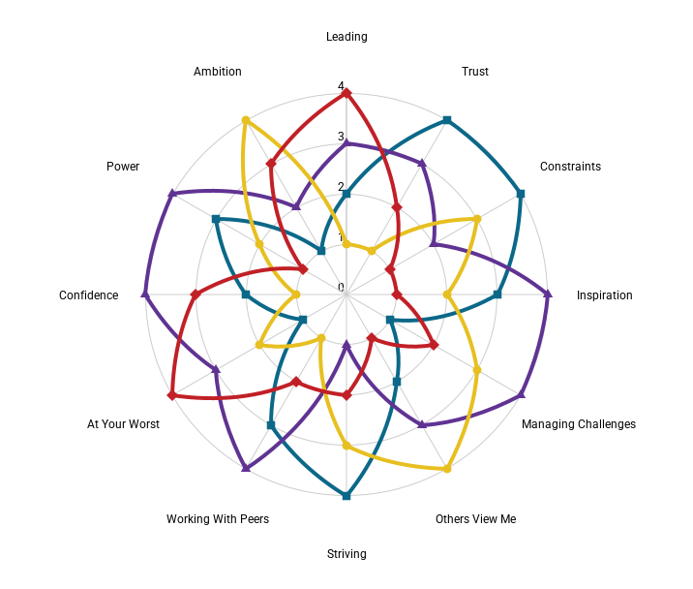

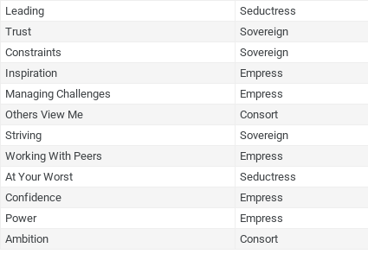
 | Leading | Seductress
 | Trust | Sovereign
 | Constraints | Sovereign
 | Inspiration | Empress
 | Managing Challenges | Empress
 | Others View Me | Consort
 | Striving | Sovereign
 | Working With Peers | Empress
 | At Your Worst | Seductress
 | Confidence | Empress
 | Power | Empress
 | Ambition | Consort

Response 2
Merle | Singer | Company: | Epitome Leadership
Dominant archetype |  | Empress

 | Leading | Trust | Constraints | Inspiration | Managing Challenges | Others View Me | Striving | Working With Peers | At Your Worst | Confidence | Power | Ambition | Total
Sovereign | 2 | 3 | 1 | 1 | 4 | 2 | 1 | 3 | 4 | 2 | 3 | 1 | 23
Empress | 1 | 1 | 2 | 3 | 1 | 1 | 4 | 1 | 3 | 1 | 4 | 2 | 18
Consort | 3 | 2 | 3 | 4 | 3 | 3 | 3 | 4 | 1 | 3 | 1 | 4 | 29
Seductress | 4 | 4 | 4 | 2 | 2 | 4 | 2 | 2 | 2 | 4 | 2 | 3 | 30

Inverterd to:
 | Leading | Trust | Constraints | Inspiration | ††††††Managing Challenges | Others View Me | Striving | Working With Peers | At Your Worst | Confidence | Power | Ambition
Sovereign | 3 | 2 | 4 | 4 | 1 | 3 | 4 | 2 | 1 | 3 | 2 | 4
Empress | 4 | 4 | 3 | 2 | 4 | 4 | 1 | 4 | 2 | 4 | 1 | 3
Consort | 2 | 3 | 2 | 1 | 2 | 2 | 2 | 1 | 4 | 2 | 4 | 1
Seductress | 1 | 1 | 1 | 3 | 3 | 1 | 3 | 3 | 3 | 1 | 3 | 2

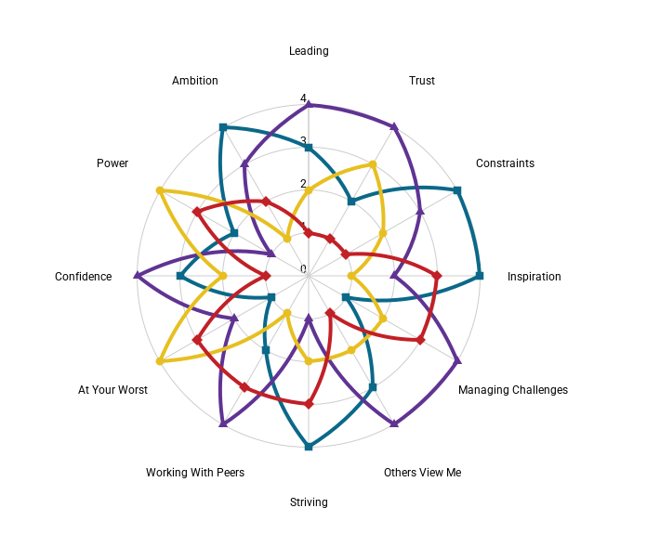

 | Leading | Empress
 | Trust | Empress
 | Constraints | Sovereign
 | Inspiration | Sovereign
 | Managing Challenges | Empress
 | Others View Me | Empress
 | Striving | Sovereign
 | Working With Peers | Empress
 | At Your Worst | Consort
 | Confidence | Empress
 | Power | Consort
 | Ambition | Sovereign

Response 3
Jenny | Nola | Company: | CWA of Victoria Inc
Dominant archetype | Sovereign | Empress

 | Leading | Trust | Constraints | Inspiration | Managing Challenges | Others View Me | Striving | Working With Peers | At Your Worst | Confidence | Power | Ambition | Total
Sovereign | 2 | 2 | 1 | 2 | 2 | 2 | 2 | 3 | 2 | 2 | 2 | 3 | 20
Empress | 1 | 3 | 2 | 1 | 3 | 3 | 1 | 1 | 4 | 1 | 1 | 1 | 20
Consort | 4 | 4 | 4 | 3 | 4 | 1 | 3 | 4 | 3 | 4 | 4 | 2 | 34
Seductress | 3 | 1 | 3 | 4 | 1 | 4 | 4 | 2 | 1 | 3 | 3 | 4 | 26

Inverterd to:
 | Leading | Trust | Constraints | Inspiration | ††††††Managing Challenges | Others View Me | Striving | Working With Peers | At Your Worst | Confidence | Power | Ambition
Sovereign | 3 | 3 | 4 | 3 | 3 | 3 | 3 | 2 | 3 | 3 | 3 | 2
Empress | 4 | 2 | 3 | 4 | 2 | 2 | 4 | 4 | 1 | 4 | 4 | 4
Consort | 1 | 1 | 1 | 2 | 1 | 4 | 2 | 1 | 2 | 1 | 1 | 3
Seductress | 2 | 4 | 2 | 1 | 4 | 1 | 1 | 3 | 4 | 2 | 2 | 1

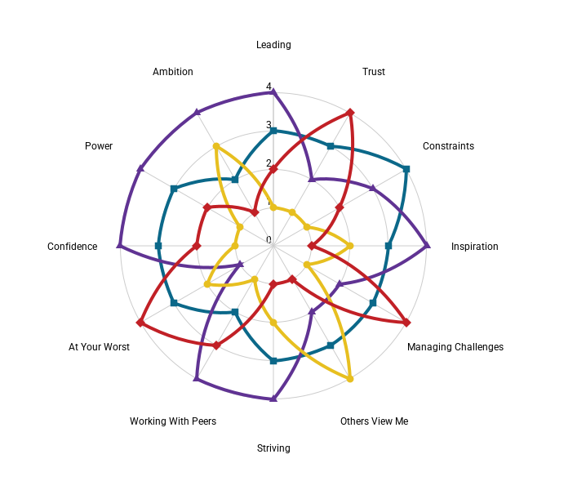

 | Leading | Empress
 | Trust | Seductress
 | Constraints | Sovereign
 | Inspiration | Empress
 | Managing Challenges | Seductress
 | Others View Me | Consort
 | Striving | Empress
 | Working With Peers | Empress
 | At Your Worst | Seductress
 | Confidence | Empress
 | Power | Empress
 | Ambition | Empress

Response 4
Jacqui | Kernot | Company: | Model security
Dominant archetype | Sovereign

 | Leading | Trust | Constraints | Inspiration | Managing Challenges | Others View Me | Striving | Working With Peers | At Your Worst | Confidence | Power | Ambition | Total
Sovereign | 3 | 2 | 2 | 1 | 2 | 1 | 1 | 1 | 1 | 2 | 2 | 2 | 16
Empress | 1 | 4 | 1 | 2 | 4 | 2 | 2 | 2 | 4 | 1 | 1 | 1 | 23
Consort | 4 | 3 | 4 | 4 | 3 | 3 | 3 | 4 | 3 | 3 | 4 | 4 | 34
Seductress | 2 | 1 | 3 | 3 | 1 | 4 | 4 | 3 | 2 | 4 | 3 | 3 | 27

Inverterd to:
 | Leading | Trust | Constraints | Inspiration | ††††††Managing Challenges | Others View Me | Striving | Working With Peers | At Your Worst | Confidence | Power | Ambition
Sovereign | 2 | 3 | 3 | 4 | 3 | 4 | 4 | 4 | 4 | 3 | 3 | 3
Empress | 4 | 1 | 4 | 3 | 1 | 3 | 3 | 3 | 1 | 4 | 4 | 4
Consort | 1 | 2 | 1 | 1 | 2 | 2 | 2 | 1 | 2 | 2 | 1 | 1
Seductress | 3 | 4 | 2 | 2 | 4 | 1 | 1 | 2 | 3 | 1 | 2 | 2

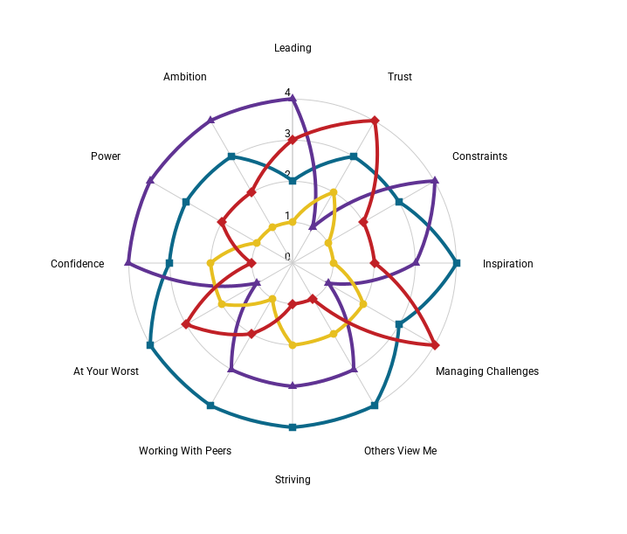

 | Leading | Empress
 | Trust | Seductress
 | Constraints | Empress
 | Inspiration | Sovereign
 | Managing Challenges | Seductress
 | Others View Me | Sovereign
 | Striving | Sovereign
 | Working With Peers | Sovereign
 | At Your Worst | Sovereign
 | Confidence | Empress
 | Power | Empress
 | Ambition | Empress

Response 5
Erikka | Buracchio | Company: | Retired
Dominant archetype | Sovereign

 | Leading | Trust | Constraints | Inspiration | Managing Challenges | Others View Me | Striving | Working With Peers | At Your Worst | Confidence | Power | Ambition | Total
Sovereign | 1 | 3 | 1 | 1 | 2 | 2 | 1 | 2 | 1 | 2 | 1 | 3 | 16
Empress | 2 | 1 | 3 | 3 | 1 | 1 | 2 | 1 | 2 | 1 | 2 | 1 | 17
Consort | 4 | 2 | 2 | 2 | 3 | 4 | 3 | 3 | 3 | 4 | 3 | 2 | 30
Seductress | 3 | 4 | 4 | 4 | 4 | 3 | 4 | 4 | 4 | 3 | 4 | 4 | 37

Inverterd to:
 | Leading | Trust | Constraints | Inspiration | ††††††Managing Challenges | Others View Me | Striving | Working With Peers | At Your Worst | Confidence | Power | Ambition
Sovereign | 4 | 2 | 4 | 4 | 3 | 3 | 4 | 3 | 4 | 3 | 4 | 2
Empress | 3 | 4 | 2 | 2 | 4 | 4 | 3 | 4 | 3 | 4 | 3 | 4
Consort | 1 | 3 | 3 | 3 | 2 | 1 | 2 | 2 | 2 | 1 | 2 | 3
Seductress | 2 | 1 | 1 | 1 | 1 | 2 | 1 | 1 | 1 | 2 | 1 | 1

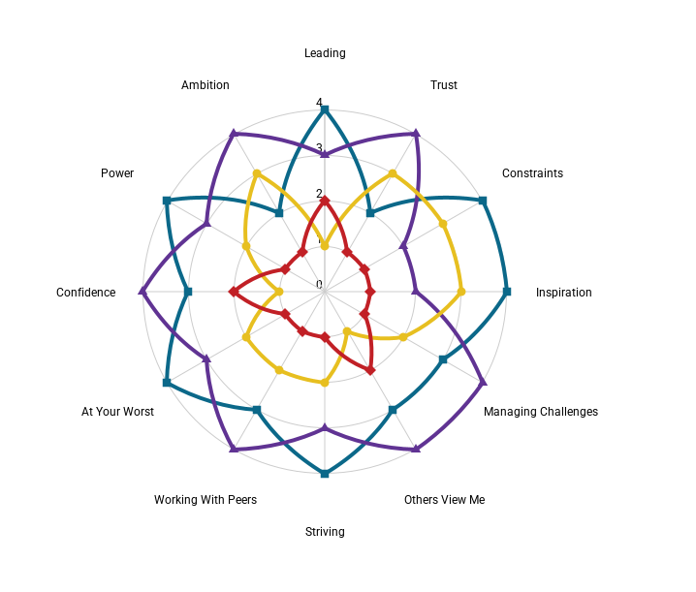

 | Leading | Sovereign
 | Trust | Empress
 | Constraints | Sovereign
 | Inspiration | Sovereign
 | Managing Challenges | Empress
 | Others View Me | Empress
 | Striving | Sovereign
 | Working With Peers | Empress
 | At Your Worst | Sovereign
 | Confidence | Empress
 | Power | Sovereign
 | Ambition | Empress

Response 6
Jill | Shapiro | Company: | AltX Financial Group
Dominant archetype | Sovereign |  | Consort

 | Leading | Trust | Constraints | Inspiration | Managing Challenges | Others View Me | Striving | Working With Peers | At Your Worst | Confidence | Power | Ambition | Total
Sovereign | 2 | 3 | 2 | 2 | 3 | 1 | 2 | 1 | 2 | 2 | 1 | 4 | 20
Empress | 4 | 1 | 3 | 1 | 4 | 3 | 4 | 4 | 3 | 3 | 3 | 1 | 30
Consort | 1 | 4 | 1 | 3 | 1 | 2 | 1 | 2 | 1 | 4 | 2 | 2 | 20
Seductress | 3 | 2 | 4 | 4 | 2 | 4 | 3 | 3 | 4 | 1 | 4 | 3 | 30

Inverterd to:
 | Leading | Trust | Constraints | Inspiration | ††††††Managing Challenges | Others View Me | Striving | Working With Peers | At Your Worst | Confidence | Power | Ambition
Sovereign | 3 | 2 | 3 | 3 | 2 | 4 | 3 | 4 | 3 | 3 | 4 | 1
Empress | 1 | 4 | 2 | 4 | 1 | 2 | 1 | 1 | 2 | 2 | 2 | 4
Consort | 4 | 1 | 4 | 2 | 4 | 3 | 4 | 3 | 4 | 1 | 3 | 3
Seductress | 2 | 3 | 1 | 1 | 3 | 1 | 2 | 2 | 1 | 4 | 1 | 2

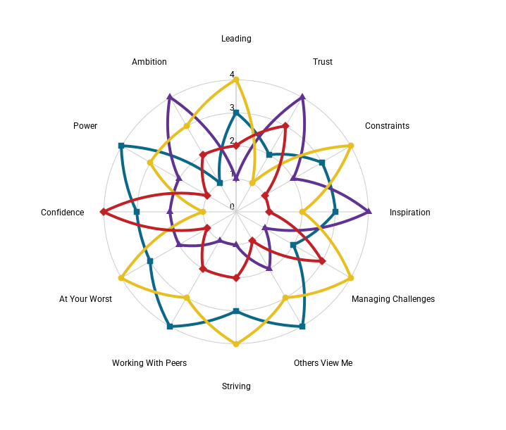

 | Leading | Consort
 | Trust | Empress
 | Constraints | Consort
 | Inspiration | Empress
 | Managing Challenges | Consort
 | Others View Me | Sovereign
 | Striving | Consort
 | Working With Peers | Sovereign
 | At Your Worst | Consort
 | Confidence | Seductress
 | Power | Sovereign
 | Ambition | Empress

Response 7
0 | 0 | Company: | 0
Dominant archetype | FALSE | FALSE | FALSE | FALSE

 | Leading | Trust | Constraints | Inspiration | Managing Challenges | Others View Me | Striving | Working With Peers | At Your Worst | Confidence | Power | Ambition | Total
Sovereign | 0 | 0 | 0 | 0 | 0 | 0 | 0 | 0 | 0 | 0 | 0 | 0 | 0
Empress | 0 | 0 | 0 | 0 | 0 | 0 | 0 | 0 | 0 | 0 | 0 | 0 | 0
Consort | 0 | 0 | 0 | 0 | 0 | 0 | 0 | 0 | 0 | 0 | 0 | 0 | 0
Seductress | 0 | 0 | 0 | 0 | 0 | 0 | 0 | 0 | 0 | 0 | 0 | 0 | 0

Inverterd to:
 | Leading | Trust | Constraints | Inspiration | ††††††Managing Challenges | Others View Me | Striving | Working With Peers | At Your Worst | Confidence | Power | Ambition
Sovereign | 5 | 5 | 5 | 5 | 5 | 5 | 5 | 5 | 5 | 5 | 5 | 5
Empress | 5 | 5 | 5 | 5 | 5 | 5 | 5 | 5 | 5 | 5 | 5 | 5
Consort | 5 | 5 | 5 | 5 | 5 | 5 | 5 | 5 | 5 | 5 | 5 | 5
Seductress | 5 | 5 | 5 | 5 | 5 | 5 | 5 | 5 | 5 | 5 | 5 | 5

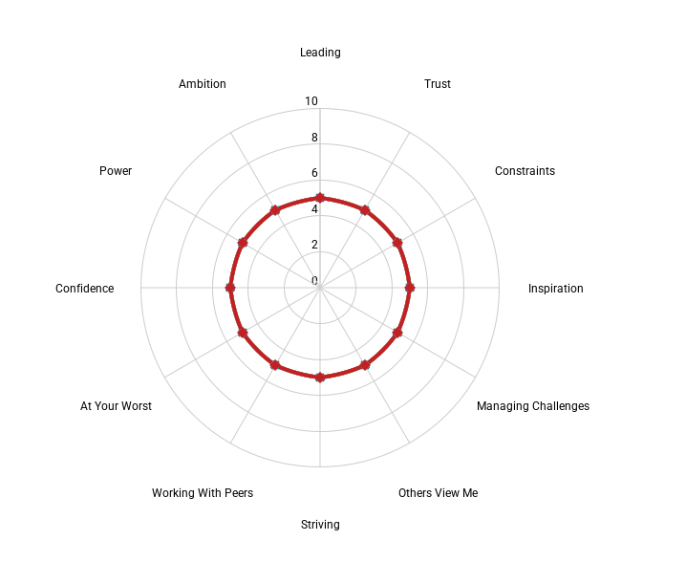

 | Leading | FALSE
 | Trust | FALSE
 | Constraints | FALSE
 | Inspiration | FALSE
 | Managing Challenges | FALSE
 | Others View Me | FALSE
 | Striving | FALSE
 | Working With Peers | FALSE
 | At Your Worst | FALSE
 | Confidence | FALSE
 | Power | FALSE
 | Ambition | FALSE

Response 20
0 | 0 | Company: | 0
Dominant archetype | FALSE | FALSE | FALSE | FALSE

 | Leading | Trust | Constraints | Inspiration | Managing Challenges | Others View Me | Striving | Working With Peers | At Your Worst | Confidence | Power | Ambition | Total
Sovereign | 0 | 0 | 0 | 0 | 0 | 0 | 0 | 0 | 0 | 0 | 0 | 0 | 0
Empress | 0 | 0 | 0 | 0 | 0 | 0 | 0 | 0 | 0 | 0 | 0 | 0 | 0
Consort | 0 | 0 | 0 | 0 | 0 | 0 | 0 | 0 | 0 | 0 | 0 | 0 | 0
Seductress | 0 | 0 | 0 | 0 | 0 | 0 | 0 | 0 | 0 | 0 | 0 | 0 | 0

Inverterd to:
 | Leading | Trust | Constraints | Inspiration | ††††††Managing Challenges | Others View Me | Striving | Working With Peers | At Your Worst | Confidence | Power | Ambition
Sovereign | 5 | 5 | 5 | 5 | 5 | 5 | 5 | 5 | 5 | 5 | 5 | 5
Empress | 5 | 5 | 5 | 5 | 5 | 5 | 5 | 5 | 5 | 5 | 5 | 5
Consort | 5 | 5 | 5 | 5 | 5 | 5 | 5 | 5 | 5 | 5 | 5 | 5
Seductress | 5 | 5 | 5 | 5 | 5 | 5 | 5 | 5 | 5 | 5 | 5 | 5

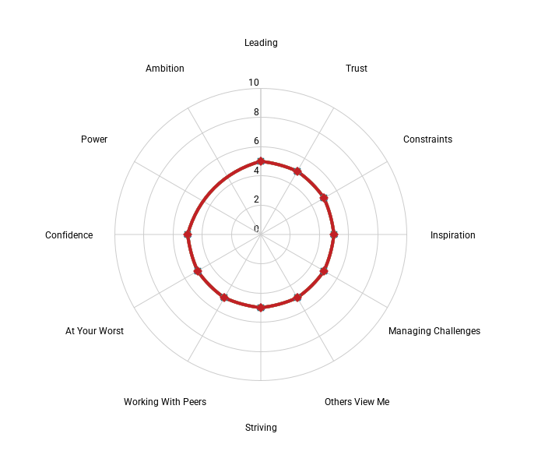

 | Leading | FALSE
 | Trust | FALSE
 | Constraints | FALSE
 | Inspiration | FALSE
 | Managing Challenges | FALSE
 | Others View Me | FALSE
 | Striving | FALSE
 | Working With Peers | FALSE
 | At Your Worst | FALSE
 | Confidence | FALSE
 | Power | FALSE
 | Ambition | FALSE

testing sheet
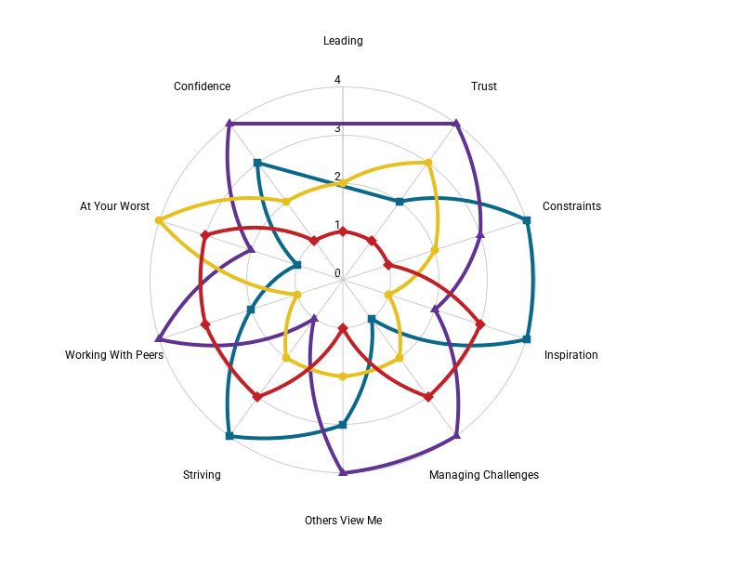
Merle | Singer | Company: | Epitome Leadership | MerleSinger | #N/A
Dominant archetype | Empress

 | Leading | Trust | Constraints | Inspiration | Managing Challenges | Others View Me | Striving | Working With Peers | At Your Worst | Confidence
Sovereign | #N/A | 3 | 1 | 1 | 4 | 2 | 1 | 3 | 4 | 2
Empress | #N/A | 1 | 2 | 3 | 1 | 1 | 4 | 1 | 3 | 1
Consort | 3 | 2 | 3 | 4 | 3 | 3 | 3 | 4 | 1 | 3
Seductress | 4 | 4 | 4 | 2 | 2 | 4 | 2 | 2 | 2 | 4

Inverterd to:
 | Leading | Trust | Constraints | Inspiration | Managing Challenges | Others View Me | Striving | Working With Peers | At Your Worst | Confidence
Sovereign | #N/A | 2 | 4 | 4 | 1 | 3 | 4 | 2 | 1 | 3
Empress | #N/A | 4 | 3 | 2 | 4 | 4 | 1 | 4 | 2 | 4
Consort | 2 | 3 | 2 | 1 | 2 | 2 | 2 | 1 | 4 | 2
Seductress | 1 | 1 | 1 | 3 | 3 | 1 | 3 | 3 | 3 | 1

